Sheet1
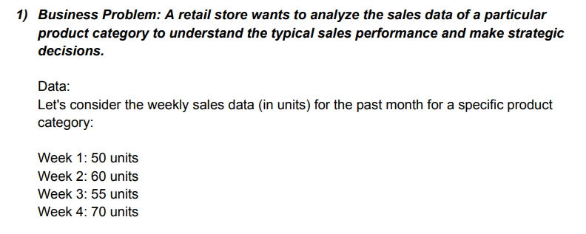

 | Week
 | 50
 | 60
 | 55
 | 70

Histogram
Histogram
 | Mean | 58.75
 | Median | 57.5
 | Mode | #N/A

 |  | .

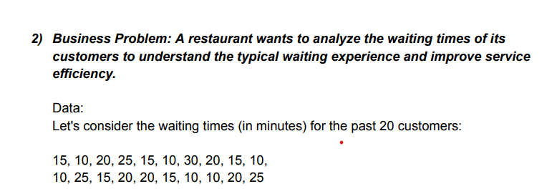

 | 15 | 10
 | 10 | 25
 | 20 | 15
 | 25 | 20
Histogram
 | 15 | 20
 | 10 | 15
 | 30 | 10
 | 20 | 10
 | 15 | 20
 | 10 | 25

 | Mean | 17
 | Median | 15
 | Mode | 10

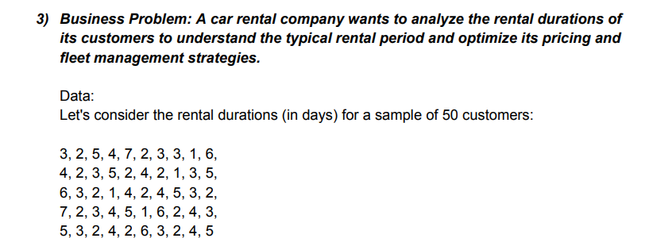

 |  | 3 | 2 | 5 | 4 | 7 | 2 | 3 | 3 | 1 | 6
 |  | 4 | 2 | 3 | 5 | 2 | 4 | 2 | 1 | 3 | 5
 |  | 6 | 3 | 2 | 1 | 4 | 2 | 4 | 5 | 3 | 2
 |  | 7 | 2 | 3 | 4 | 5 | 1 | 6 | 2 | 4 | 3
 |  | 5 | 3 | 2 | 4 | 2 | 6 | 3 | 2 | 4 | 5

 |  | Mean | 3.44
 |  | Median | 3
 |  | Mode | 2

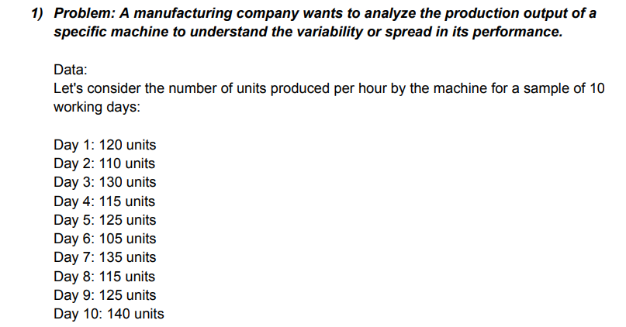

 | 120
 | 110
 | 130 |  |  | Reng | 35
 | 115 |  |  | Varinace | 123.33333333
 | 125 |  |  | Standrad divison | 11.105554166
 | 105
 | 135
 | 115
 | 125
 | 140

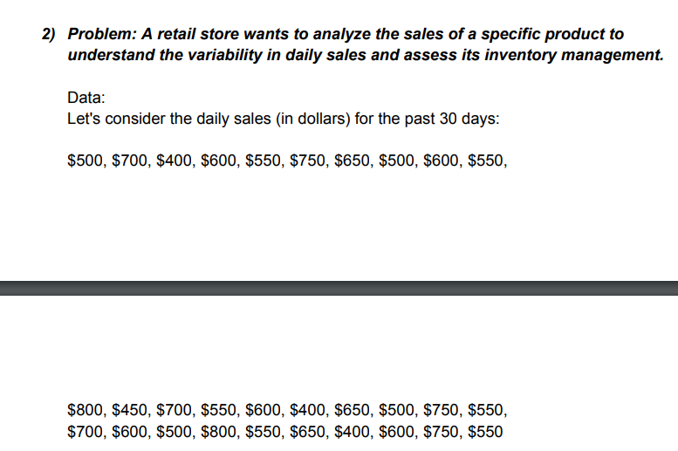

 | 500 | 800 | 700 | Rang | 400
 | 700 | 450 | 600 | Varinace | 13163.793103
 | 400 | 700 | 500 | Standrad divison | 114.73357444
 | 600 | 550 | 800
 | 550 | 600 | 550
 | 750 | 400 | 650
 | 650 | 650 | 400
 | 500 | 500 | 600
 | 600 | 750 | 750
 | 550 | 550 | 550

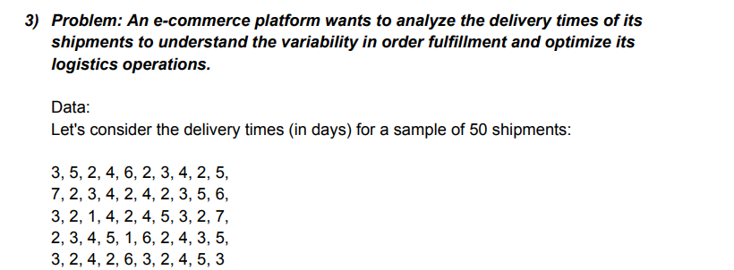
 | 3 | 5 | 2 | 4 | 6 | 2 | 3 | 4 | 2 | 5
 | 7 | 2 | 3 | 4 | 2 | 4 | 2 | 3 | 5 | 6
 | 3 | 2 | 1 | 4 | 2 | 4 | 5 | 3 | 2 | 7
 | 2 | 3 | 4 | 5 | 1 | 6 | 2 | 4 | 3 | 5
 | 3 | 2 | 4 | 2 | 6 | 3 | 2 | 4 | 5 | 3

 |  |  |  | Rang | 6
 |  |  |  | Varinace | 2.3363265306
 |  |  |  | Standrad divison | 1.5285046714

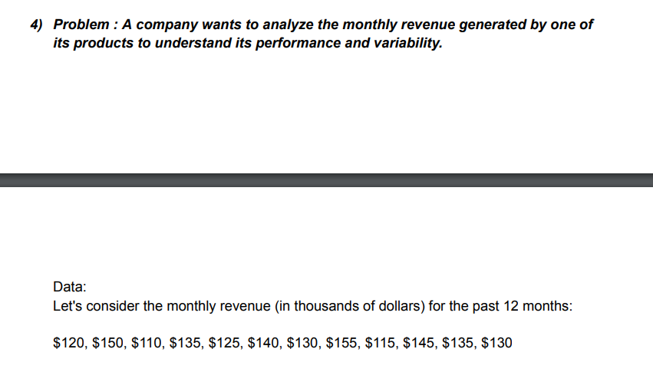

 | 120
 | 150 |  | 1 | Measure of Central Tendency
 | 110
 | 135 |  |  | Mean | 132.5
 | 125 |  |  | Median | 132.5
 | 140 |  |  | Mode | 135
 | 130
 | 155
 | 115 |  | 2 | Measure of Dispersion
 | 145 |  |  | Rang | 45
 | 135
 | 130

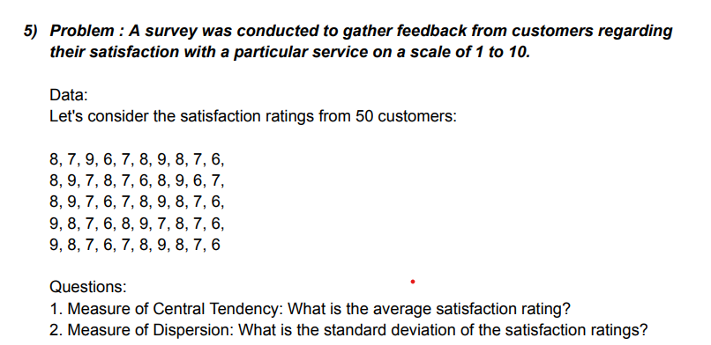

 |  | 8 | 7 | 9 | 6 | 7 | 8 | 9 | 8 | 7 | 6
 |  | 8 | 9 | 7 | 8 | 7 | 6 | 8 | 9 | 6 | 7
 |  | 8 | 9 | 7 | 6 | 7 | 8 | 9 | 8 | 7 | 6
 |  | 9 | 8 | 7 | 6 | 8 | 9 | 7 | 8 | 7 | 6
 |  | 9 | 8 | 7 | 6 | 7 | 8 | 9 | 8 | 7 | 6

 |  |  | 1 | Measure of Central Tendency

 |  |  |  | Mean | 7.5
 |  |  |  | Median | 7.5
 |  |  |  | Mode | 8

 |  |  | 2 | Measure of Dispersion
 |  |  |  | Rang | 3

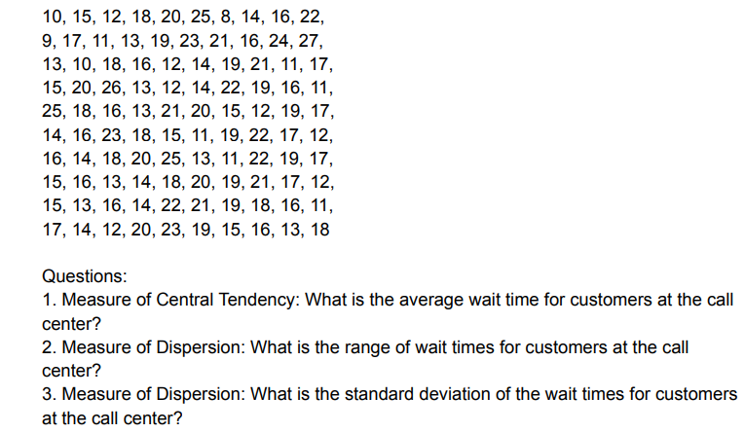
 |  | 10 | 15 | 12 | 18 | 20 | 25 | 8 | 14 | 16 | 22
 |  | 9 | 17 | 11 | 13 | 19 | 23 | 21 | 16 | 24 | 27
 |  | 13 | 10 | 18 | 16 | 12 | 14 | 19 | 21 | 11 | 17
 |  | 15 | 20 | 26 | 13 | 12 | 14 | 22 | 19 | 16 | 11
 |  | 25 | 18 | 16 | 13 | 21 | 20 | 15 | 12 | 19 | 17
 |  | 14 | 16 | 23 | 18 | 15 | 11 | 19 | 22 | 17 | 12
 |  | 16 | 14 | 18 | 20 | 25 | 13 | 11 | 22 | 19 | 17
 |  | 15 | 16 | 13 | 14 | 18 | 20 | 19 | 21 | 17 | 12
 |  | 15 | 13 | 16 | 14 | 22 | 21 | 19 | 18 | 16 | 11
 |  | 17 | 14 | 12 | 20 | 23 | 19 | 15 | 16 | 13 | 18

 |  |  | 1 | Measure of Central Tendency

 |  |  |  | Mean | 16.74
 |  |  |  | Median | 15
 |  |  |  | Mode | 15

 |  |  |  | Measure of Dispersion
 |  |  | 2 | Rang | 16
 |  |  | 3 | Standard deviation | 3.5673962199

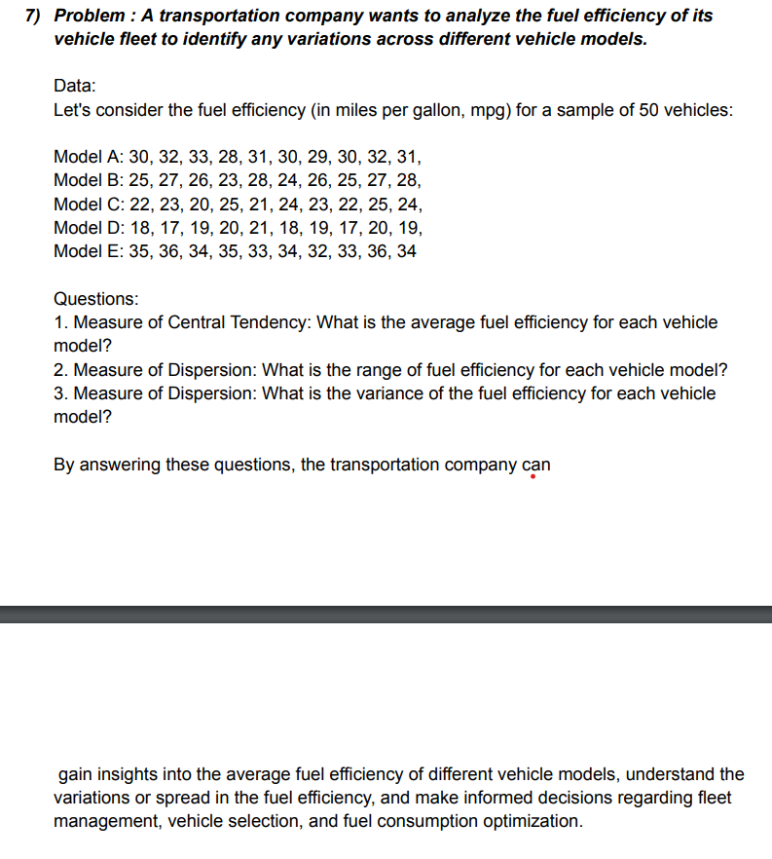

 | Mode A | 30 | 32 | 33 | 28 | 31 | 30 | 29 | 30 | 32 | 31
 | Mode B | 25 | 27 | 26 | 23 | 28 | 24 | 26 | 25 | 27 | 28
 | Mode C | 22 | 23 | 20 | 25 | 21 | 24 | 23 | 22 | 25 | 24
 | Mode D | 18 | 17 | 19 | 20 | 21 | 18 | 19 | 17 | 20 | 19
 | Mode E | 35 | 36 | 34 | 35 | 33 | 34 | 32 | 33 | 36 | 34

 |  |  | 1 | Measure of Central Tendency

 |  |  |  | Mean | 26.48
 |  |  |  | Median | 26
 |  |  |  | Mode | 25

 |  |  |  | Measure of Dispersion
 |  |  | 2 | Rang | 19
 |  |  | 3 | Standard deviation | 5.6936771232

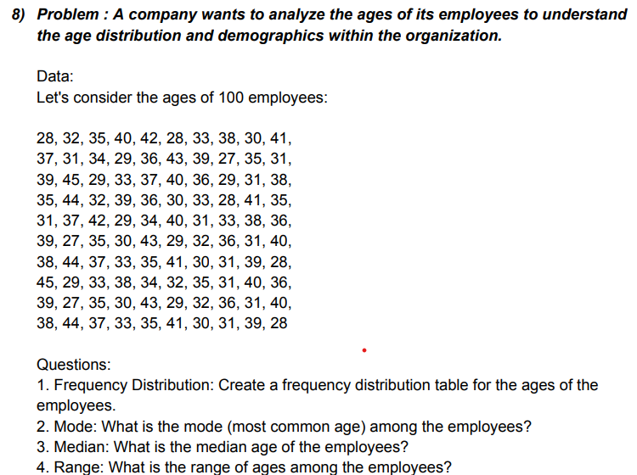

28 | 32 | 35 | 40 | 42 | 28 | 33 | 38 | 30 | 41
37 | 31 | 34 | 29 | 36 | 43 | 39 | 27 | 35 | 31
39 | 45 | 29 | 33 | 37 | 40 | 36 | 29 | 31 | 38
35 | 44 | 32 | 39 | 36 | 30 | 33 | 28 | 41 | 335
31 | 37 | 42 | 29 | 34 | 40 | 31 | 33 | 38 | 36
39 | 27 | 35 | 30 | 43 | 29 | 32 | 36 | 31 | 40
38 | 44 | 37 | 33 | 35 | 41 | 30 | 31 | 39 | 28
45 | 29 | 33 | 38 | 34 | 32 | 35 | 31 | 40 | 36
39 | 27 | 35 | 30 | 43 | 29 | 32 | 36 | 31 | 40
38 | 44 | 37 | 33 | 35 | 41 | 30 | 31 | 39 | 28

 | 1
 | 2 | Mode | 31
 | 3 | Median | 35
 | 4 | Range | 308

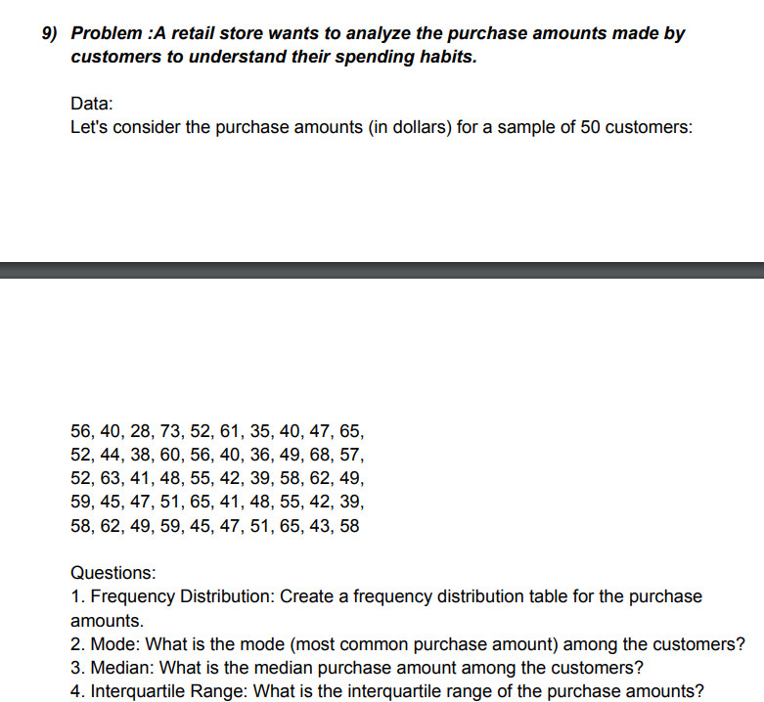

56 | 40 | 28 | 73 | 52 | 61 | 35 | 40 | 47 | 65
52 | 44 | 38 | 60 | 56 | 40 | 36 | 49 | 68 | 57
52 | 63 | 41 | 48 | 55 | 42 | 39 | 58 | 62 | 49
59 | 45 | 47 | 51 | 65 | 41 | 48 | 55 | 42 | 39
58 | 62 | 49 | 59 | 45 | 47 | 51 | 65 | 43 | 58

 | 1 |  |  | Bin Label | Description
 |  |  |  | Low Spenders | 28 - 40 | 0
 |  |  |  | Mid-Range Spenders | 40 - 55 | 50
 |  |  |  | High Spenders | 55 - 75

 | 2 | Mode | 40
 | 3 | Median | 50
 | 4 | Range | 45

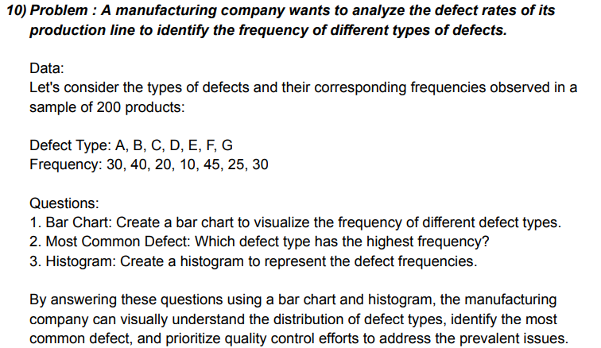

 |  | 1

 | Defect | Frequency
 | A | 30
 | B | 40
 | C | 20
 | D | 10
 | E | 45
 | F | 25
 | G | 30

 |  | 2

 |  | MAX | 45 | DEFECT TYPE OF E IS HIGHEST FREQUENCY

 |  | 3

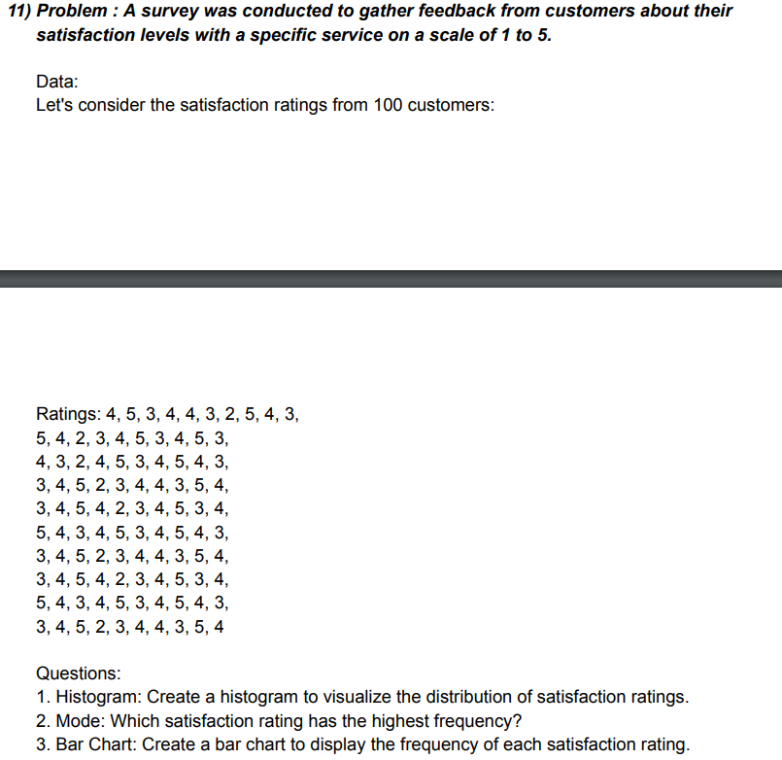

 | 4 | 5 | 3 | 4 | 4 | 3 | 2 | 5 | 4 | 3
 | 5 | 4 | 2 | 3 | 4 | 5 | 3 | 4 | 5 | 3
 | 4 | 3 | 2 | 4 | 5 | 3 | 4 | 5 | 4 | 3
 | 3 | 4 | 5 | 2 | 3 | 4 | 4 | 3 | 5 | 4
 | 3 | 4 | 5 | 4 | 2 | 3 | 4 | 5 | 3 | 4
 | 5 | 4 | 3 | 4 | 5 | 3 | 4 | 5 | 4 | 3
 | 3 | 4 | 5 | 2 | 3 | 4 | 4 | 3 | 5 | 4
 | 3 | 4 | 5 | 4 | 2 | 3 | 4 | 5 | 3 | 4
 | 5 | 4 | 3 | 4 | 5 | 3 | 4 | 5 | 4 | 3
 | 3 | 4 | 5 | 2 | 3 | 4 | 4 | 3 | 5 | 4

1 | Rating | BINS | Frequency
 | 0-2 | 2 | 8
 | 2--3 | 4 | 69
 | 3--4 | 5 | 23
 | 4--5 | More | 0

2 | 4

3

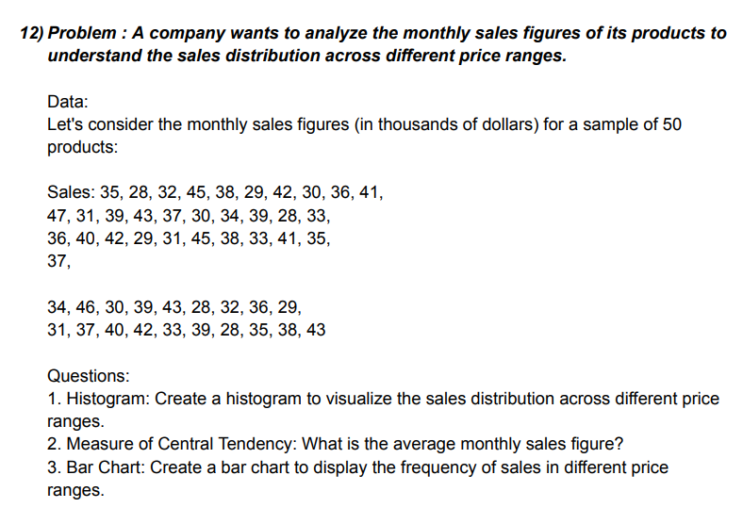

 |  |  |  |  | 35 | 47 | 36 | 37 | 31
 |  |  |  |  | 28 | 31 | 40 | 34 | 37
 |  |  |  |  | 32 | 39 | 42 | 46 | 40
 |  |  |  |  | 45 | 43 | 29 | 30 | 42 |  | Bin | Frequency
 |  |  |  |  | 38 | 37 | 31 | 39 | 33 |  | 20 | 0
 |  |  |  |  | 29 | 30 | 45 | 43 | 39 |  | 30 | 10
 |  |  |  |  | 42 | 34 | 38 | 28 | 28 |  | 40 | 28
 |  |  |  |  | 30 | 39 | 33 | 32 | 35 |  | More | 12
 |  |  |  |  | 36 | 28 | 41 | 36 | 38
 |  |  |  |  | 41 | 33 | 35 | 29 | 43

 |  |  |  |  | 1

 |  |  |  |  | 2 | Mean | 36.14

 |  |  |  |  | 3

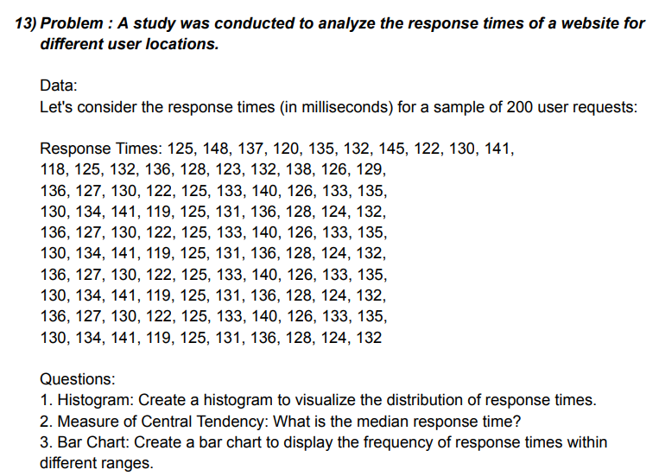

 |  |  |  |  | 125 | 118 | 136 | 130 | 136 | 130 | 136 | 130 | 136 | 130
 |  |  |  |  | 148 | 125 | 127 | 134 | 127 | 134 | 127 | 134 | 127 | 134
 |  |  |  |  | 137 | 132 | 130 | 141 | 130 | 141 | 130 | 141 | 130 | 141
 |  |  |  |  | 120 | 136 | 122 | 119 | 122 | 119 | 122 | 119 | 122 | 119
 |  |  |  |  | 135 | 128 | 125 | 125 | 125 | 125 | 125 | 125 | 125 | 125
 |  |  |  |  | 132 | 123 | 133 | 131 | 133 | 131 | 133 | 131 | 133 | 131
 |  |  |  |  | 145 | 132 | 140 | 136 | 140 | 136 | 140 | 136 | 140 | 136
 |  |  |  |  | 122 | 138 | 126 | 128 | 126 | 128 | 126 | 128 | 126 | 128
 |  |  |  |  | 130 | 126 | 133 | 124 | 133 | 124 | 133 | 124 | 133 | 124
 |  |  |  |  | 141 | 129 | 135 | 132 | 135 | 132 | 135 | 132 | 135 | 132

 |  |  |  |  |  |  |  |  |  | Bin | Frequency
 |  |  |  |  |  |  |  |  |  | 110 | 0
 |  |  |  |  |  |  |  |  |  | 120 | 6
 |  |  |  |  |  |  |  |  |  | 130 | 44
 |  |  |  |  |  |  |  |  |  | 140 | 43
 |  |  |  |  |  |  |  |  |  | 150 | 7
 |  |  |  |  |  |  |  |  |  | More | 0

 |  |  |  |  |  | 1

 |  |  |  |  |  | 2 | Meadian | 130.5

 |  |  |  |  |  | 3

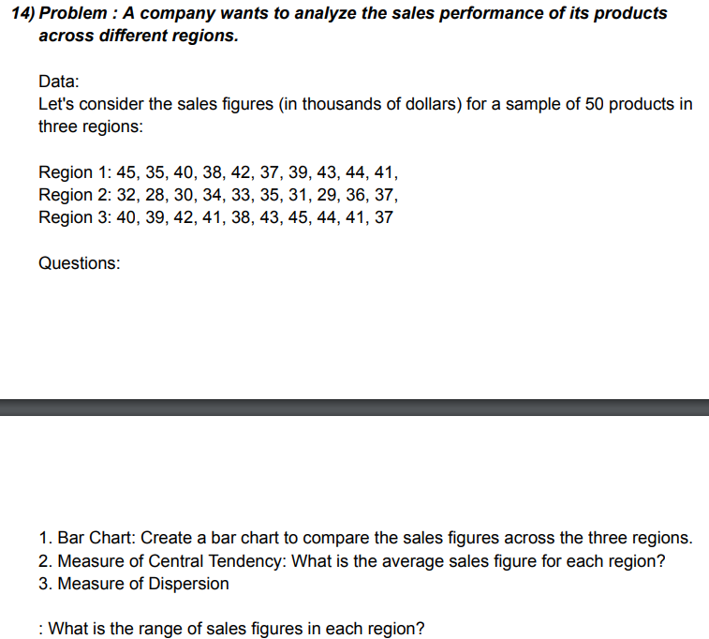

 |  |  |  |  | Region 1 | Region 2 | Region 3
 |  |  |  |  | 45 | 32 | 40
 |  |  |  |  | 35 | 28 | 39 |  | Bin | Frequency
 |  |  |  |  | 40 | 30 | 42 |  | 10 | 0
 |  |  |  |  | 38 | 34 | 41 |  | 20 | 0
 |  |  |  |  | 42 | 33 | 38 |  | 30 | 3
 |  |  |  |  | 37 | 35 | 43 |  | 40 | 16
 |  |  |  |  | 39 | 31 | 45 |  | 50 | 11
 |  |  |  |  | 43 | 29 | 44 |  | More | 0
 |  |  |  |  | 44 | 36 | 41
 |  |  |  |  | 41 | 37 | 37

 |  |  |  |  | 1

 |  |  |  |  | 2 | Mean | 37.966666667

 |  |  |  |  | 3 | Measure of Dispersion
 |  |  |  |  |  | Mode | 17

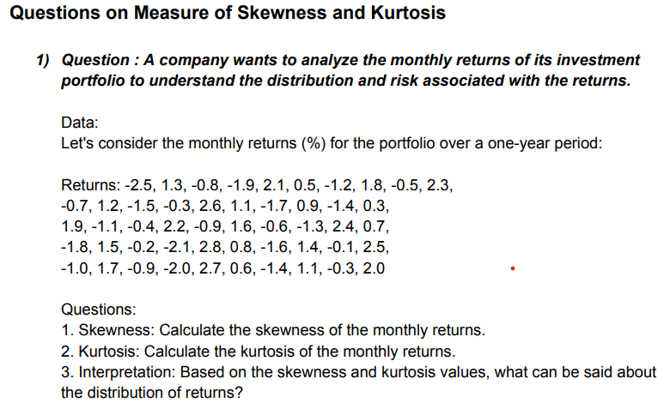

 |  |  |  |  | -0.7 | 1.9 | -1.8 | -1 | -2.5
 |  |  |  |  | 1.2 | -1.1 | 1.5 | 1.7 | 1.3
 |  |  |  |  | -1.5 | -0.4 | -0.2 | -0.9 | -0.8
 |  |  |  |  | -0.3 | 2.2 | -2.1 | -2 | -1.9
 |  |  |  |  | 2.6 | -0.9 | 2.8 | 2.7 | 2.1
 |  |  |  |  | 1.1 | 1.6 | 0.8 | 0.6 | 0.5
 |  |  |  |  | -1.7 | -0.6 | -1.6 | -1.4 | -1.2
 |  |  |  |  | 0.9 | -1.3 | 1.4 | 1.1 | 1.8
 |  |  |  |  | -1.4 | 2.4 | -0.1 | -0.3 | -0.5
 |  |  |  |  | 0.3 | 0.7 | 2.5 | 2 | 2.3

 |  |  |  |  |  | 1 | Skewness | 0.054546017084
 |  |  |  |  |  | 2 | Kurtosis | -1.3042496426
 |  |  |  |  |  | 3 | Interpretation: Based on the skewness and kurtosis values, what can be inferred about the income inequality?
 |  |  |  |  |  | Ans. | A distribution with a negative kurtosis value indicates that the distribution has lighter tails than the normal distribution.
 |  |  |  |  |  |  | in negatively skewed, the mean of the data is less than the median negatively skewed distributi on is a type of distributi on where the mean,median and mode of the distribution are negative rather than positive or zero
 |  |  |  |  |  |  | Company has risk associated with the returns because of skewness and kurtosis is negative

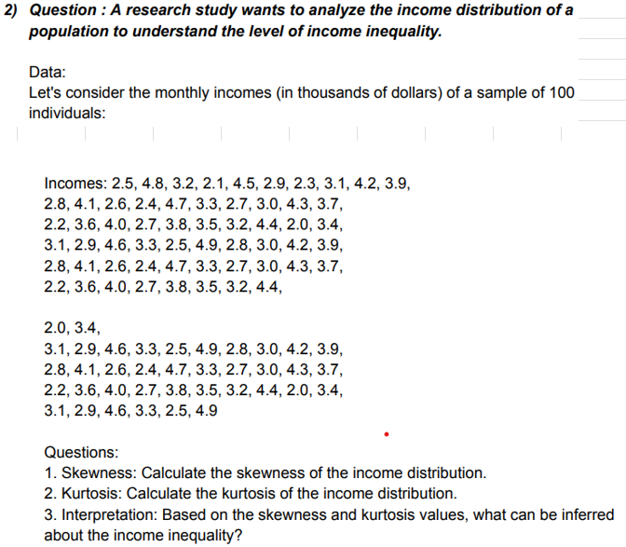

 |  |  |  |  | 2.5 | 2.8 | 2.2 | 3.1 | 2.8 | 2.2 | 3.1 | 2.8 | 2.2 | 3.1
 |  |  |  |  | 4.8 | 4.1 | 3.6 | 2.9 | 4.1 | 3.6 | 2.9 | 4.1 | 3.6 | 2.9
 |  |  |  |  | 3.2 | 2.6 | 4 | 4.6 | 2.6 | 4 | 4.6 | 2.6 | 4 | 4.6
 |  |  |  |  | 2.1 | 2.4 | 2.7 | 3.3 | 2.4 | 2.7 | 3.3 | 2.4 | 2.7 | 3.3
 |  |  |  |  | 4.5 | 4.7 | 3.8 | 2.5 | 4.7 | 3.8 | 2.5 | 4.7 | 3.8 | 2.5
 |  |  |  |  | 2.9 | 3.3 | 3.5 | 4.9 | 3.3 | 3.5 | 4.9 | 3.3 | 3.5 | 4.9
 |  |  |  |  | 2.3 | 2.7 | 3.2 | 2.8 | 2.7 | 3.2 | 2.8 | 2.7 | 3.2
 |  |  |  |  | 3.1 | 3 | 4.4 | 3 | 3 | 4.4 | 3 | 3 | 4.4
 |  |  |  |  | 4.2 | 4.3 | 2 | 4.2 | 4.3 | 2 | 4.2 | 4.3 | 2
 |  |  |  |  | 3.9 | 3.7 | 3.4 | 3.9 | 3.7 | 3.4 | 3.9 | 3.7 | 3.4

 |  |  |  |  | 1 | Skewness | 0.22402536455
 |  |  |  |  | 2 | Kurtosis | -0.93120912453
 |  |  |  |  | 3 | Interpretation: Based on the skewness and kurtosis values, what can be inferred about the satisfaction ratings distribution?
 |  |  |  |  | Ans. | The income distribution of a population to understand the level of income inequality .

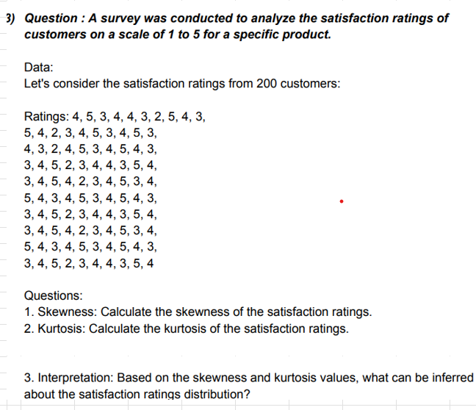

 |  |  | 4 | 5 | 4 | 3 | 3 | 5 | 3 | 3 | 5 | 3
 |  |  | 5 | 4 | 3 | 4 | 4 | 4 | 4 | 4 | 4 | 4
 |  |  | 3 | 2 | 2 | 5 | 5 | 3 | 5 | 5 | 3 | 5
 |  |  | 4 | 3 | 4 | 2 | 4 | 4 | 2 | 4 | 4 | 2
 |  |  | 4 | 4 | 5 | 3 | 2 | 5 | 3 | 2 | 5 | 3
 |  |  | 3 | 5 | 3 | 4 | 3 | 3 | 4 | 3 | 3 | 4
 |  |  | 2 | 3 | 4 | 4 | 4 | 4 | 4 | 4 | 4 | 4
 |  |  | 5 | 4 | 5 | 3 | 5 | 5 | 3 | 5 | 5 | 3
 |  |  | 4 | 5 | 4 | 5 | 3 | 4 | 5 | 3 | 4 | 5
 |  |  | 3 | 3 | 3 | 4 | 4 | 3 | 4 | 4 | 3 | 4

 |  |  |  |  | 1 | Skewness | -0.21090973977
 |  |  |  |  | 2 | Kurtosis | -0.74525627212
 |  |  |  |  | 3 | Interpretation: Based on the skewness and kurtosis values, what can be inferred about the satisfaction ratings distribution?
 |  |  |  |  | Ans. | The satisfaction ratings of customers on a scale of 1 to 5 for a specific product rating is negative.


 |  |  | 280 | 270 | 270 | 270 | 270 | 270 | 270 | 270 | 270 | 270
 |  |  | 350 | 350 | 350 | 350 | 350 | 350 | 350 | 350 | 350 | 350
 |  |  | 310 | 300 | 300 | 300 | 300 | 300 | 300 | 300 | 300 | 300
 |  |  | 270 | 330 | 330 | 330 | 330 | 330 | 330 | 330 | 330 | 330
 |  |  | 390 | 370 | 370 | 370 | 370 | 370 | 370 | 370 | 370 | 370
 |  |  | 320 | 310 | 310 | 310 | 310 | 310 | 310 | 310 | 310 | 310
 |  |  | 290 | 280 | 280 | 280 | 280 | 280 | 280 | 280 | 280 | 280
 |  |  | 340 | 320 | 320 | 320 | 320 | 320 | 320 | 320 | 320 | 320
 |  |  | 310 | 350 | 350 | 350 | 350 | 350 | 350 | 350 | 350 | 350
 |  |  | 380 | 290 | 290 | 290 | 290 | 290 | 290 | 290 | 290 | 290

 |  |  |  |  | 1 | Skewness | 0.2092186248
 |  |  |  |  | 2 | Kurtosis | -1.0374244845
 |  |  |  |  | 3 | Interpretation: Based on the skewness and kurtosis values, what can be inferred about the distribution of house prices?
 |  |  |  |  | Ans. | The distribution of house prices in a spectific city to understand the market trends of house prices less.

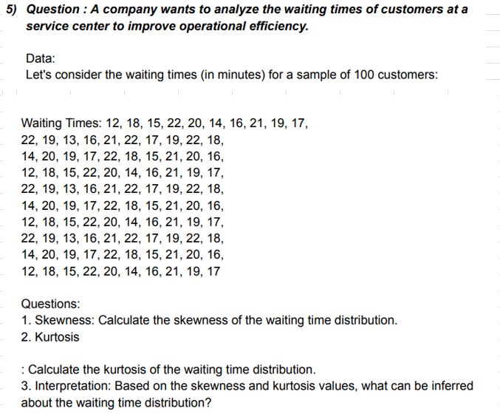

 |  |  |  | 12 | 22 | 14 | 12 | 22 | 14 | 12 | 22 | 14 | 12
 |  |  |  | 18 | 19 | 20 | 18 | 19 | 20 | 18 | 19 | 20 | 18
 |  |  |  | 15 | 13 | 19 | 15 | 13 | 19 | 15 | 13 | 19 | 15
 |  |  |  | 22 | 16 | 17 | 22 | 16 | 17 | 22 | 16 | 17 | 22
 |  |  |  | 20 | 21 | 22 | 20 | 21 | 22 | 20 | 21 | 22 | 20
 |  |  |  | 14 | 22 | 18 | 14 | 22 | 18 | 14 | 22 | 18 | 14
 |  |  |  | 16 | 17 | 15 | 16 | 17 | 15 | 16 | 17 | 15 | 16
 |  |  |  | 21 | 19 | 21 | 21 | 19 | 21 | 21 | 19 | 21 | 21
 |  |  |  | 19 | 22 | 20 | 19 | 22 | 20 | 19 | 22 | 20 | 19
 |  |  |  | 17 | 18 | 16 | 17 | 18 | 16 | 17 | 18 | 16 | 17

 |  |  |  |  | 1 | Skewness | -0.33501287222
 |  |  |  |  | 2 | Kurtosis | -0.88101144669
 |  |  |  |  | 3 | Interpretation: Based on the skewness and kurtosis values, what can be inferred about the waiting time distribution?
 |  |  |  |  | Ans. | The waiting times of customers at a service center to improve operational efficiency waiting time is more.

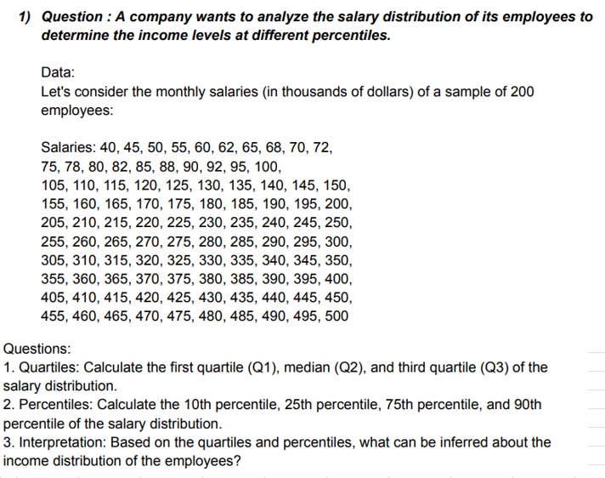

 |  |  | 40 | 75 | 105 | 155 | 205 | 255 | 305 | 355 | 405 | 455
 |  |  | 45 | 78 | 110 | 160 | 210 | 260 | 310 | 360 | 410 | 460
 |  |  | 50 | 80 | 115 | 165 | 215 | 265 | 315 | 365 | 415 | 465
 |  |  | 55 | 82 | 120 | 170 | 220 | 270 | 320 | 370 | 420 | 470
 |  |  | 60 | 85 | 125 | 175 | 225 | 275 | 325 | 375 | 425 | 475
 |  |  | 62 | 88 | 130 | 180 | 230 | 280 | 330 | 380 | 430 | 480
 |  |  | 65 | 90 | 135 | 185 | 235 | 285 | 335 | 385 | 435 | 485
 |  |  | 68 | 92 | 140 | 190 | 240 | 290 | 340 | 390 | 440 | 490
 |  |  | 70 | 95 | 145 | 195 | 245 | 295 | 345 | 395 | 445 | 495
 |  |  | 72 | 100 | 150 | 200 | 250 | 300 | 350 | 400 | 450 | 500

 |  |  | 1 | First quartile | 128.75
 |  |  |  | Median | 252.5
 |  |  |  | Third quartile | 376.25

 |  |  | 2 | percentiles 10th | 74.7
 |  |  |  | percentiles 25th | 128.75
 |  |  |  | percentiles 75th | 376.25
 |  |  |  | percentiles 90th | 450.5

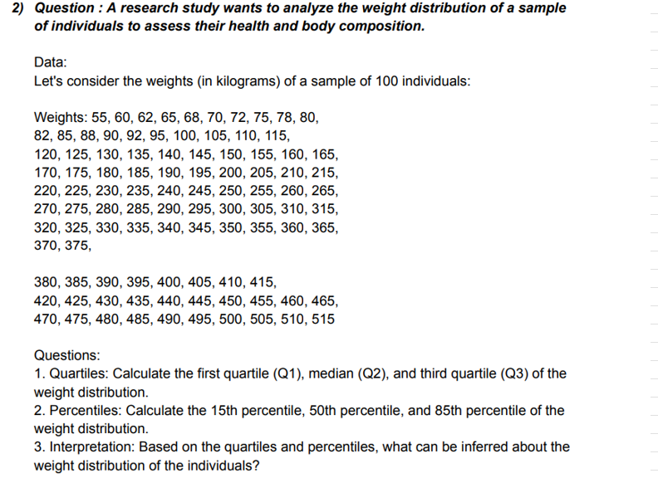

 |  |  |  | 55 | 82 | 120 | 170 | 220 | 270 | 320 | 370 | 420 | 470
 |  |  |  | 60 | 85 | 125 | 175 | 225 | 275 | 325 | 375 | 425 | 475
 |  |  |  | 62 | 88 | 130 | 180 | 230 | 280 | 330 | 380 | 430 | 480
 |  |  |  | 65 | 90 | 135 | 185 | 235 | 285 | 335 | 385 | 435 | 485
 |  |  |  | 68 | 92 | 140 | 190 | 240 | 290 | 340 | 390 | 440 | 490
 |  |  |  | 70 | 95 | 145 | 195 | 245 | 295 | 345 | 395 | 445 | 495
 |  |  |  | 72 | 100 | 150 | 200 | 250 | 300 | 350 | 400 | 450 | 500
 |  |  |  | 75 | 105 | 155 | 205 | 255 | 305 | 355 | 405 | 455 | 505
 |  |  |  | 78 | 110 | 160 | 210 | 260 | 310 | 360 | 410 | 460 | 510
 |  |  |  | 80 | 115 | 165 | 215 | 265 | 315 | 365 | 415 | 465 | 515

 |  |  | 1 | First quartile | 143.75
 |  |  |  | Median | 267.5
 |  |  |  | Third quartile | 391.25

 |  |  | 2 | percentiles 15th | 94.55
 |  |  |  | percentiles 50th | 267.5
 |  |  |  | percentiles 85th | 440.75

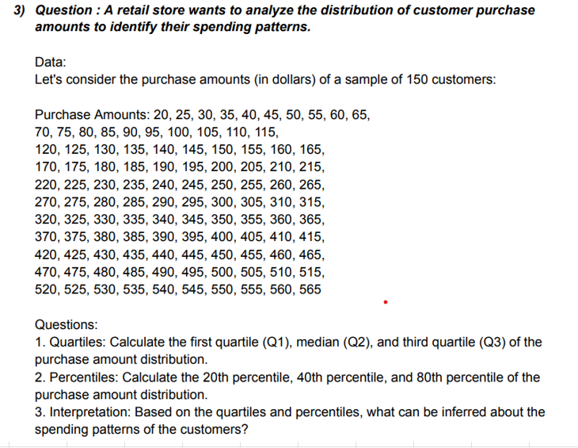
 |  | 20 | 70 | 120 | 170 | 220 | 270 | 320 | 370 | 420 | 470 | 520
 |  | 25 | 75 | 125 | 175 | 225 | 275 | 325 | 375 | 425 | 475 | 525
 |  | 30 | 80 | 130 | 180 | 230 | 280 | 330 | 380 | 430 | 480 | 530
 |  | 35 | 85 | 135 | 185 | 235 | 285 | 335 | 385 | 435 | 485 | 535
 |  | 40 | 90 | 140 | 190 | 240 | 290 | 340 | 390 | 440 | 490 | 540
 |  | 45 | 95 | 145 | 195 | 245 | 295 | 345 | 395 | 445 | 495 | 545
 |  | 50 | 100 | 150 | 200 | 250 | 300 | 350 | 400 | 450 | 500 | 550
 |  | 55 | 105 | 155 | 205 | 255 | 305 | 355 | 405 | 455 | 505 | 555
 |  | 60 | 110 | 160 | 210 | 260 | 310 | 360 | 410 | 460 | 510 | 560
 |  | 65 | 115 | 165 | 215 | 265 | 315 | 365 | 415 | 465 | 515 | 565

 |  |  | 1 | First quartile | 156.25
 |  |  |  | Median | 292.5
 |  |  |  | Third quartile | 428.75

 |  |  | 2 | percentiles 20th | 129
 |  |  |  | percentiles 40th | 238
 |  |  |  | percentiles 80th | 456

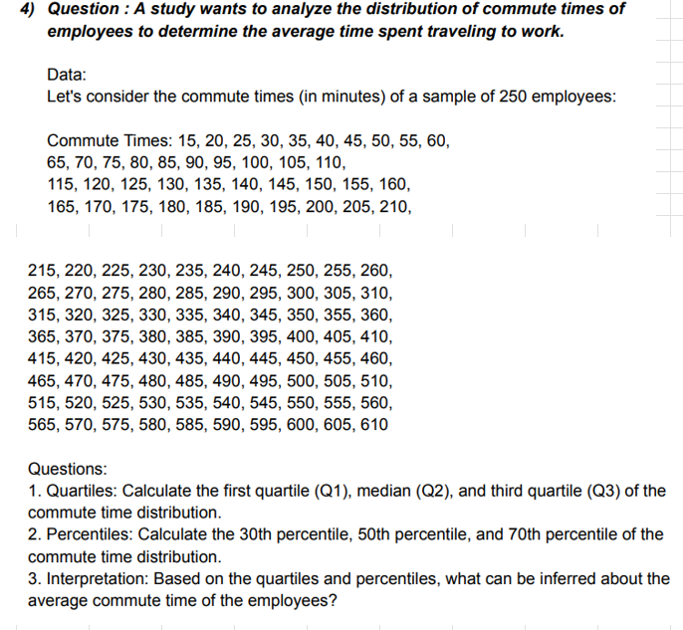

 |  |  | 15 | 65 | 115 | 165 | 215 | 265 | 315 | 365 | 415 | 465 | 515 | 565
 |  |  | 20 | 70 | 120 | 170 | 220 | 270 | 320 | 370 | 420 | 470 | 520 | 570
 |  |  | 25 | 75 | 125 | 175 | 225 | 275 | 325 | 375 | 425 | 475 | 525 | 575
 |  |  | 30 | 80 | 130 | 180 | 230 | 280 | 330 | 380 | 430 | 480 | 530 | 580
 |  |  | 35 | 85 | 135 | 185 | 235 | 285 | 335 | 385 | 435 | 485 | 535 | 585
 |  |  | 40 | 90 | 140 | 190 | 240 | 290 | 340 | 390 | 440 | 490 | 540 | 590
 |  |  | 45 | 95 | 145 | 195 | 245 | 295 | 345 | 395 | 445 | 495 | 545 | 595
 |  |  | 50 | 100 | 150 | 200 | 250 | 300 | 350 | 400 | 450 | 500 | 550 | 600
 |  |  | 55 | 105 | 155 | 205 | 255 | 305 | 355 | 405 | 455 | 505 | 555 | 605
 |  |  | 60 | 110 | 160 | 210 | 260 | 310 | 360 | 410 | 460 | 510 | 560 | 610

 |  |  | 1 | First quartile | 163.75
 |  |  |  | Median | 312.5
 |  |  |  | Third quartile | 461.25

 |  |  | 2 | percentiles 30th | 193.5
 |  |  |  | percentiles 50th | 312.5
 |  |  |  | percentiles 70th | 431.5

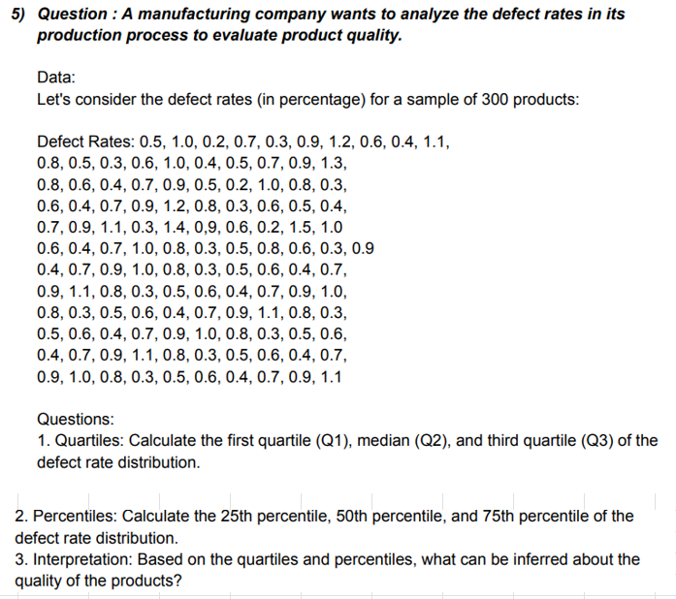
 |  | 0.5 | 0.8 | 0.8 | 0.6 | 0.7 | 0.6 | 0.9 | 0.7 | 1 | 0.3 | 0.6 | 0.7 | 1.1
 |  | 1 | 0.5 | 0.6 | 0.4 | 0.9 | 0.4 | 0.4 | 0.9 | 0.8 | 0.5 | 0.4 | 0.9
 |  | 0.2 | 0.3 | 0.4 | 0.7 | 1.1 | 0.7 | 0.7 | 1.1 | 0.3 | 0.6 | 0.7 | 1
 |  | 0.7 | 0.6 | 0.7 | 0.9 | 0.3 | 1 | 0.9 | 0.8 | 0.5 | 0.4 | 0.9 | 0.8
 |  | 0.3 | 1 | 0.9 | 1.2 | 1.4 | 0.8 | 1 | 0.3 | 0.6 | 0.7 | 1.1 | 0.3
 |  | 0.9 | 0.4 | 0.5 | 0.8 | 0.6 | 0.3 | 0.8 | 0.5 | 0.4 | 0.9 | 0.8 | 0.5
 |  | 1.2 | 0.5 | 0.2 | 0.3 | 0.6 | 0.5 | 0.3 | 0.6 | 0.7 | 1 | 0.3 | 0.6
 |  | 0.6 | 0.7 | 1 | 0.6 | 0.2 | 0.8 | 0.5 | 0.4 | 0.9 | 0.8 | 0.5 | 0.4
 |  | 0.4 | 0.9 | 0.8 | 0.5 | 1.5 | 0.6 | 0.6 | 0.7 | 1.1 | 0.3 | 0.6 | 0.7
 |  | 1.1 | 1.3 | 0.3 | 0.4 | 1 | 0.3 | 0.4 | 0.9 | 0.8 | 0.5 | 0.4 | 0.9

 |  |  | 1 | First quartile | 0.4
 |  |  |  | Median | 0.7
 |  |  |  | Third quartile | 0.9

 |  |  | 2 | percentiles 25th | 0.4
 |  |  |  | percentiles 50th | 0.7
 |  |  |  | percentiles 75th | 0.9

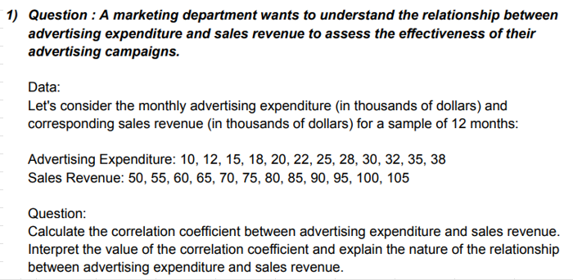
 |  |  |  |  | Advertising expenditure |  |  | Sales Revenue
 |  |  |  |  | 10 |  |  | 50
 |  |  |  |  | 12 |  |  | 55
 |  |  |  |  | 15 |  |  | 60
 |  |  |  |  | 18 |  |  | 65
 |  |  |  |  | 20 |  |  | 70
 |  |  |  |  | 22 |  |  | 75
 |  |  |  |  | 25 |  |  | 80
 |  |  |  |  | 28 |  |  | 85
 |  |  |  |  | 30 |  |  | 90
 |  |  |  |  | 32 |  |  | 95
 |  |  |  |  | 35 |  |  | 100
 |  |  |  |  | 38 |  |  | 105

 |  |  |  | Correlatino | 0.99921031004


 |  | Company A |  | Company B
 |  | 4 |  | 52
 |  | 47 |  | 54
 |  | 48 |  | 55
 |  | 50 |  | 57
 |  | 52 |  | 59
 |  | 53 |  | 60
 |  | 55 |  | 61
 |  | 56 |  | 62
 |  | 58 |  | 64
 |  | 60 |  | 66
 |  | 62 |  | 67
 |  | 64 |  | 69
 |  | 65 |  | 71
 |  | 67 |  | 73
 |  | 69 |  | 74
 |  | 70 |  | 76
 |  | 72 |  | 78
 |  | 74 |  | 80
 |  | 76 |  | 82
 |  | 77 |  | 83

 |  |  |  | Correlatino | 0.84284620715

